Monthly Portfolio
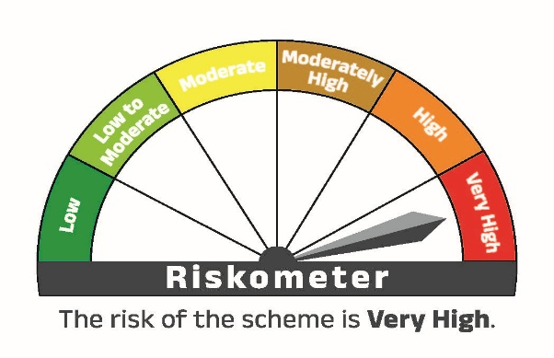
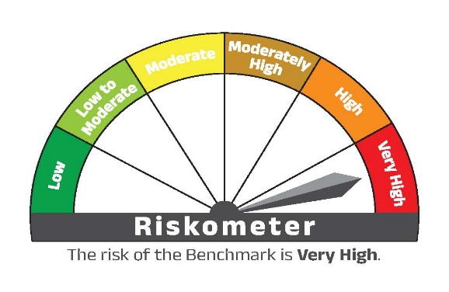
SILVRFOF | ADITYA BIRLA SUN LIFE SILVER ETF FUND OF FUND

 | Monthly Portfolio Statement as on September 30,2025
 | Name of the Instrument | ISIN | Rating | Quantity | Market/Fair Value (Rs.in Lacs) | % to Net Assets
 | Others
 | Exchange Traded Funds
 | ADITYA BIRLA SUN LIFE SILVER ETF | INF209KB19F6 |  | 38,014,348 | 54,250.28 | 102.02%
 | Sub Total |  |  |  | 54,250.28 | 102.02%
 | TREPS / Reverse Repo
 | Clearing Corporation of India Limited |  |  |  | 2,459.00 | 4.62%
 | Sub Total |  |  |  | 2,459.00 | 4.62%
 | Total |  |  |  | 56,709.28 | 106.64%
 | Net Receivables / (Payables) |  |  |  | (3,532.14) | -6.64%
 | GRAND TOTAL |  |  |  | 53,177.14 | 100.00%

 | ADITYA BIRLA SUN LIFE SILVER ETF FUND OF FUND | Prices of Silver

Half Yearly Portfolio


SILVRFOF | ADITYA BIRLA SUN LIFE SILVER ETF FUND OF FUND
 | An open ended fund of fund scheme investing in the units of Aditya Birla Sun Life Silver ETF
 | Portfolio Statement as on September 30, 2025
 | Name of the Instrument | ISIN | Rating | Quantity | Market/Fair Value (Rs.in Lacs) | % to Net Assets
 | Others
 | Exchange Traded Funds
 | ADITYA BIRLA SUN LIFE SILVER ETF | INF209KB19F6 |  | 38,014,348 | 54,250.28 | 102.02%
 | Sub Total |  |  |  | 54,250.28 | 102.02%
 | TREPS / Reverse Repo
 | Clearing Corporation of India Limited |  |  |  | 2,459.00 | 4.62%
 | Sub Total |  |  |  | 2,459.00 | 4.62%
 | Total |  |  |  | 56,709.28 | 106.64%
 | Net Receivables / (Payables) |  |  |  | (3,532.14) | -6.64%
 | GRAND TOTAL |  |  |  | 53,177.14 | 100.00%

 | Notes:
 | (1) Plan/Option wise Net Asset Values are as follows:
 | Plan | As on September 30, 2025 | As on March 31, 2025
SILVRFOFDirect plan - Growth option | Direct plan - Growth option | Rs. 22.4561 | Rs. 16.0248
SILVRFOFDirect plan - IDCW option | Direct plan - IDCW option | Rs. 22.4505 | Rs. 16.0213
SILVRFOFRegular plan - Growth option | Regular plan - Growth option | Rs. 22.0711 | Rs. 15.7790
SILVRFOFRegular plan - IDCW option | Regular plan - IDCW option | Rs. 22.0652 | Rs. 15.7768
 | (2) No IDCW was declared during the half year ended September 30, 2025.
 | (3) Details of derivatives exposure and transaction:
 | (a) Hedging Position through Futures as on September 30, 2025 is Nil and for the half year ended September 30, 2025 there were no hedging transactions through Futures which have been squared off/expired.
 | (b) Other than Hedging Position through Futures as on September 30, 2025 is Nil and for the half year ended September 30, 2025 there were no non-hedging transactions through Futures which have been squared off/expired.
 | (c) Hedging Position through Options as on September 30, 2025 is Nil and for the half year ended September 30, 2025 there were no hedging transactions through Option which have exercised/expired
 | (d) Other than Hedging Positions through Options as on September 30, 2025 is Nil and for the half year ended September 30, 2025 there were no non-hedging transactions through options which have been exercised/expired.
 | (e) Hedging Positions through Swaps as on September 30, 2025 is Nil.
 | (4) During the current half year, the Portfolio turnover ratio of 'Equity and equity related instruments' is 0.09 times.
 | (5) There are nil Repo trades in Corporate Debt Securities for the period ended September 30, 2025.

 | ADITYA BIRLA SUN LIFE SILVER ETF FUND OF FUND | Prices of Silver

